Sheet1
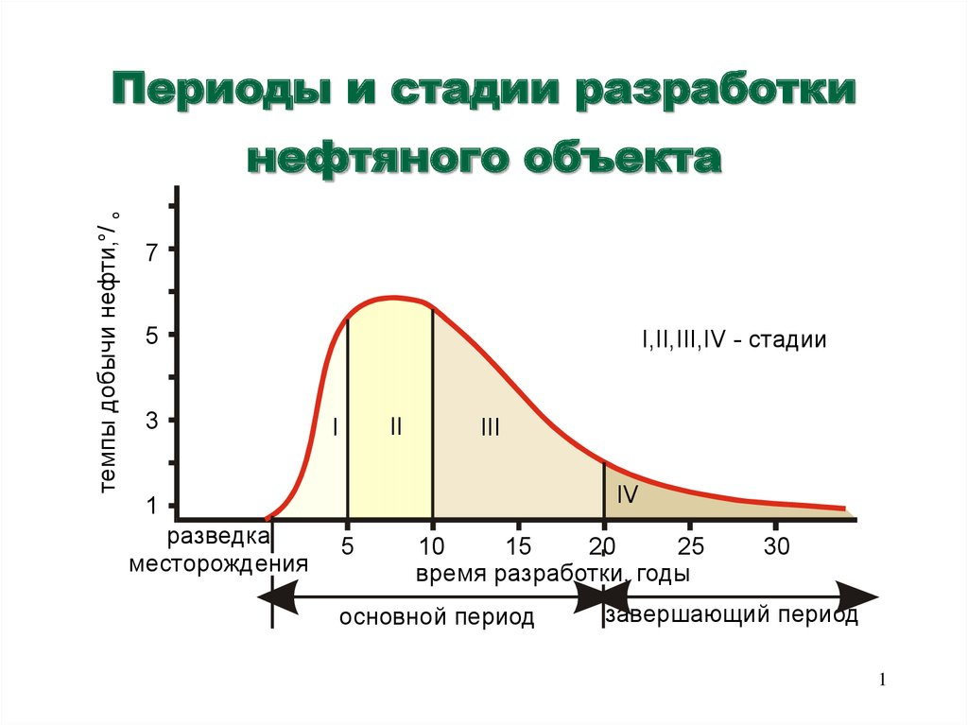

0 | 0
1 | 0.45
2 | 1.25
3 | 3
4 | 5
5 | 5.6
6 | 5.8
7 | 5.84
8 | 5.8
9 | 5.65
10 | 5.2
11 | 4.8
12 | 4.3
13 | 3.8
14 | 3.2
15 | 2.7
16 | 2.3
17 | 1.9
18 | 1.7
19 | 1.6
20 | 1.55
21 | 1.525
22 | 1.525
23 | 1.525
24 | 1.55
25 | 1.7
26 | 1.9
27 | 1.95
28 | 1.94
29 | 1.93
30 | 1.92
31 | 1.91
32 | 1.9
33 | 1.89
34 | 1.88

